Blad1
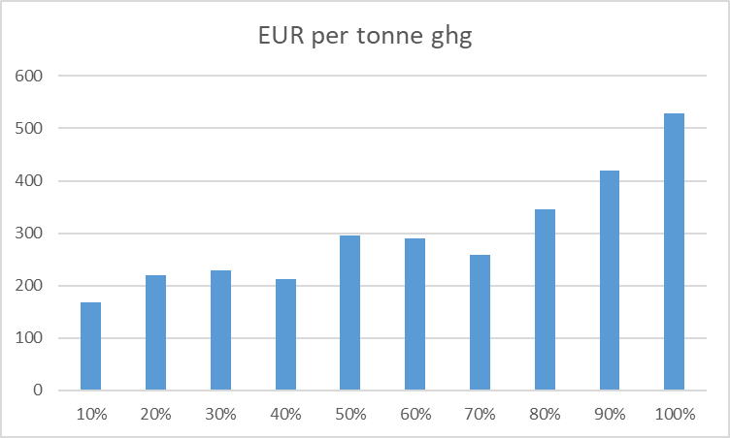
 |  | 10% | 20% | 30% | 40% | 50% | 60% | 70% | 80% | 90% | 100%
mc (x-(x-1))/y (sek) |  |  | 10309.332417 | 10817.855486 | 10928.057647 | 10764.718096 | 11637.123144 | 11248.615077 | 12257.522683 | 12911.037972 | 14163.81523
GHG(kg) |  | -153556993.86 | -305051564.31 | -456483851.43 | -608505558.5 | -760539040.61 | -915472017 | -1068248749 | -1224838843.4 | -1375830156 | -1530369169
delta ghg |  | -153556993.86 | -151494570.45 | -151432287.13 | -152021707.06 | -152033482.12 | -154932976.39 | -152776732 | -156590094.41 | -150991312.59 | -154539013
delta ghg per y |  | -1023.7132924 | -1009.963803 | -1009.5485808 | -1013.4780471 | -1013.5565474 | -1032.8865093 | -1018.5115467 | -1043.9339628 | -1006.6087506 | -1030.2600867

mc(sek) per ghg |  | 0 | 10.207625646 | 10.715537311 | 10.782727538 | 10.620737563 | 11.266603871 | 11.044170401 | 11.741664818 | 12.826272338 | 13.747805446
mc(eur) per ghg |  | 0 | 0.9843703912 | 1.0333507538 | 1.0398302302 | 1.0242087585 | 1.0864927502 | 1.0650424217 | 1.1323051601 | 1.236899075 | 1.3257669408

With inclusion of reduced gasoline costs
gain in reduced gasoline costs(per m3 eth) |  | 822.18619399 | 822.18619399 | 822.18619399 | 822.18619399 | 822.18619399 | 822.18619399 | 822.18619399 | 822.18619399 | 822.18619399 | 822.18619399
net cost per m3 eth |  | -822.18619399 | 171.99226986 | 221.03159299 | 231.65891699 | 215.90729916 | 300.03751007 | 262.57181025 | 359.86561881 | 422.88723845 | 543.69856932
eur per kg ghg |  | -0.80314107485 | 0.17029547925 | 0.21894101699 | 0.2285781302 | 0.21301949034 | 0.29048448922 | 0.257799542 | 0.34472067357 | 0.42011083075 | 0.527729431
EUR per tonne ghg |  | -803.14107485 | 170.29547925 | 218.94101699 | 228.5781302 | 213.01949034 | 290.48448922 | 257.799542 | 344.72067357 | 420.11083075 | 527.729431
2019 prices , riksbank.se 1 eur 2019= 10,3697 sek
eur to sek | 10.3697
Energy in Sweden Facts and Figures 2021, 2019 level , sek/m3,
p_0, sek/m3 | 15770
co2 tax, sek/l 2018 | 2.62
in eur/l | 0.25265918975
* Using table 14 in https://www.energimyndigheten.se/globalassets/statistik/transport/transportsektorns-energianvandning-2016.pdf,
m3 gasoline per m3 ethanol | 0.64835164835

Gj per m3
energy_ekv("gas") =32.76; | 32.76
energy_ekv("die") =35.28;
energy_ekv("ethanol") =21.24; | 21.24

Total Y | locations | 329842 | 360000 | 360000 | 360000 | 90158
productin between each 10% step | 150000

Table
Scen | 0 | 0.1 | 0.2 | 0.3 | 0.4 | 0.5 | 0.6 | 0.7 | 0.8 | 0.9 | 1
EUR per tonne ghg | 0 | -803.14107485 | 170.29547925 | 218.94101699 | 228.5781302 | 213.01949034 | 290.48448922 | 257.799542 | 344.72067357 | 420.11083075 | 527.729431
EUR per tonne ghg - corrected graph!!!!! oops not in publication
Scen | 0 | 0.1 | 0.2 | 0.3 | 0.4 | 0.5 | 0.6 | 0.7 | 0.8 | 0.9 | 1
EUR per tonne ghg | 0 | 168.00824131 | 218.8510047 | 229.46782492 | 213.03599006 | 296.02444069 | 290.48448922 | 257.799542 | 344.72067357 | 420.11083075 | 527.729431

Scen | EUR per tonne ghg
0ab | 0
10% | 168.00824131
20% | 218.8510047
30% | 229.46782492
40% | 213.03599006
50% | 296.02444069
60% | 290.48448922
70% | 257.799542
80% | 344.72067357
90% | 420.11083075
100% | 527.729431

